Sheet1
Epochs | Down-s Dropout | Seq-Pool Dropout | Downsample Window Size | Downsample Filters | Window Size | Filters | Training | Mean CrossVal | Val | Testing
1000 | 0 | 0.3 | 5 | 15 | 30 | 500 | 0.988 | 0.8235 | 0.8235
1000 | 0 | 0.3 | 5 | 15 | 30 | 1000 | 0.9953 | 0.80864 | 0.8971
1000 | 0 | 0.3 | 5 | 15 | 30 | 2000 | 0.993 | 0.8333 | 0.8676
1000 | 0 | 0.3 | 5 | 50 | 30 | 2000 | 0.9977 | 0.858 | 0.8824
1000 | 0 | 0.3 | 10 | 15 | 30 | 1000 | 0.986 | 0.8555 | 0.8971
800 | 0 | 0.3 | 5 | 15 | 30 | 2000 | 0.9859 | 0.7963 | 0.8824
800 | 0 | 0.3 | 5 | 15 | 30 | 1000 | 0.9673 | 0.8333 | 0.8823
800 | 0 | 0.3 | 5 | 10 | 30 | 1000 | 0.9953 | 0.8519 | 0.8824
800 | 0 | 0.3 | 10 | 25 | 30 | 1000 | 1 | 0.8457 | 0.8824
 | 0 | 0.3
800 | 0 | 0.3 | 10 | 10 | 30 | 1000 | 0.986 | 0.8642 | 0.8382
800 | 0 | 0.3 | 25 | 25 | 30 | 1000 | 0.9906 | 0.8827 | 0.8529
800 | 0.3 | 0.3 | 30 | 60 | 30 | 1000 | 0.9416 | 0.8333 | 0.9118
 |  |  |  |  |  |  | 0.9719 | 0.8272 | 0.8971 | 0.869 | 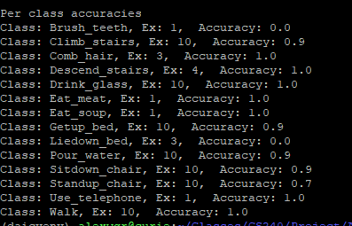
800 | 0.3 | 0.3 | 10 | 25 | 30 | 1000 | 0.8972 | 0.7901 | 0.8235

